Create Account Page
Test case Name | Test case Description | Steps | Expected Result | Actual Result | Evidence -1 | Evidence -2
Testing My account Button in Homepage | A list of 4 links which will redirect to | 1)Open the Home Page. | A list of 4 links which will redirect to | A list of 4 links which will redirect to
 | respective pages should be displayed | 2)Sign in to your account | respective pages should be displayed | respective pages should be displayed
 | 1. update-profile link,2. addAddress link | 3)click on My Account.
 | 3.update email link, 4. update-password link.
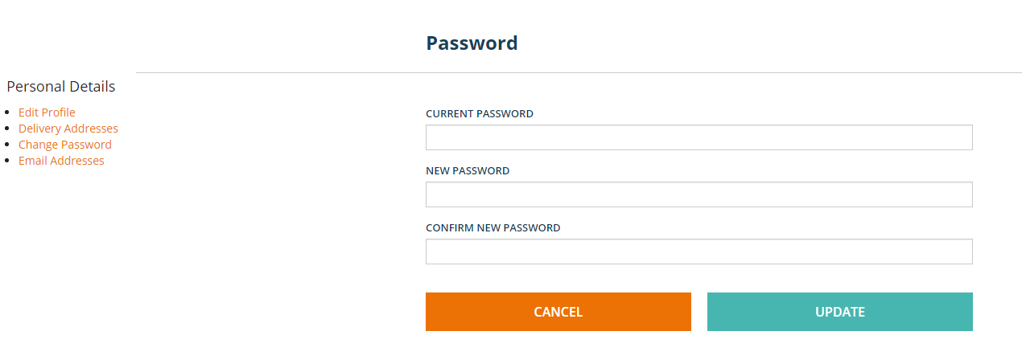
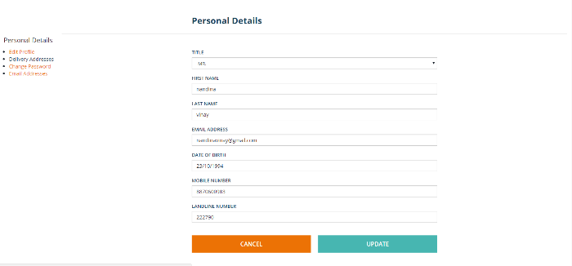
 |  | 1)Open the Home Page.
Testing Links in My Account Navigation Node | Respective Page with a form to update information | 2)Sign in to your account | Respective Page with a form to update information | Respective Page with a form to update information
 | and side navigation will be displayed. | 3)click on My Account. | and side navigation will be displayed. | and side navigation will be displayed.
 |  | 4)click on any link in My account.

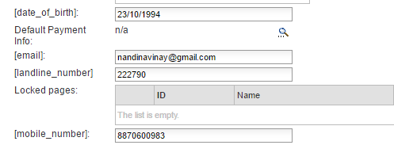
 | Custom enters his new information | 1)Open the Home Page. | Custom Updated data should be | Custom Updated data should be
Testing Update Profile data storage in DB | and clicks the update button. | 2)Sign in to your account | persisted in DB | persisted in DB
 |  | 3)click on My Account.
 |  | 4)click on update-profile.
 |  | 5)Enter the information and press update button.
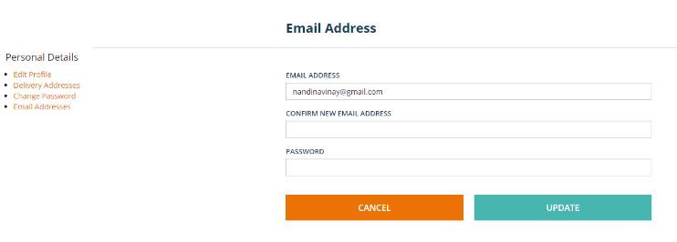
 | A list of 4 links which will redirect to | 1)Open the Home Page.
 | respective pages should be displayed | 2)Sign in to your account
Testing Side Navigation Component | 1. update-profile link,2. addAddress link | 3)click on My Account. | Clicking any link should redirect to | Clicking any link should redirect to
 | 3.update email link, 4. update-password link. | 4)click on any link in My account. | respective pages. | respective pages.
 | Clicking any link should redirect to | 5)Select any link in Side navigation.
 | respective pages.

